Sheet1
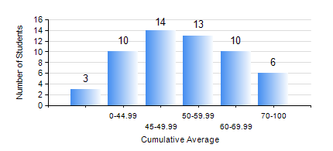
 |  |  | KWAME NKRUMAH UNIVERSITY OF SCIENCE AND TECHNOLOGY, KUMASI Department of Mechanical Engineering

 |  |  | BSC. AUTOMOBILE ENG.

 |  |  | COMPREHENSIVE RECORD OF EXAMINATION RESULTS

 |  |  | RESULTS OF YEAR 1 SECOND SEMESTER, 2023/2024 ACADEMIC YEAR

 | Sn | Course Code |  | Course Name | Credit Hours | Min. Mark | Max. Mark | Avg. Mark | Std. Dev. | No. Passed | No. Trailed | No. (Df) | No. (I) | No. (I*) | No. Tagged(I,I*,Df) | Total
 | 0. |  |  |  |  |  |  | 0 | 0 | 0 | 0 | 0 | 0 | 0 | 0 | 5
 | 1. | EE 152 |  | BASIC ELECTRONICS | 2 | 27 | 79 | 49 | 12.15 | 44 | 6 | 0 | 1 | 0 | 1 | 51
 | 2. | ENGL 158 |  | COMMUNICATION SKILLS II | 2 | 35 | 97 | 66 | 16.17 | 49 | 1 | 0 | 1 | 0 | 1 | 51
 | 3. | MATH 152 |  | CALCULUS WITH ANALYSIS | 4 | 40 | 82 | 50 | 9.64 | 50 | 0 | 0 | 1 | 0 | 1 | 51
 | 4. | ME 160 |  | ENGINEERING DRAWING | 3 | 40 | 81 | 53 | 10.98 | 50 | 0 | 0 | 1 | 0 | 1 | 51
 | 5. | ME 164 |  | STATICS OF SOLID MECHANICS | 2 | 40 | 97 | 61 | 15.07 | 49 | 0 | 0 | 2 | 0 | 2 | 51
 | 6. | ME 172 |  | MEASUREMENT AND INSTRUMENTATION | 2 | 41 | 98 | 63 | 14.25 | 50 | 0 | 0 | 1 | 0 | 1 | 51
 | 7. | ME 266 |  | THERMODYNAMICS I | 2 | 20 | 86 | 48 | 15.4 | 44 | 6 | 0 | 1 | 0 | 1 | 51

